Sheet1
 |  |  |  | Active Current | Sleep Current |  |  | time Active | Time Passive
Ec= | 39.907 | J |  | 0.12 | 4e-05 | A |  | 72 | 86328 | sec per day

Eboost= | 48.372 | J | Avg Current | 0.0001399667 | A |  |  | TS | TNS
 |  |  |  |  |  |  |  | Light Time | No light
P SRC= | 0.0019195429 | W | Vovch | Vovdis | Vbatt | Vchrdy |  | 36000 | 50400 | sec per day
 |  |  | 4.12 | 3 | 3.3 | 3.67 | V
E STORE= | 28.217 | J |  | dV | 0.37
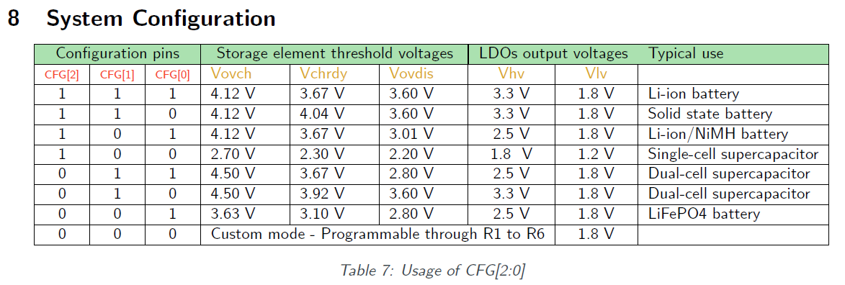
Min Ca= | 7.077 | F

dT= | 11,253.950 | s

Min Batt= | 2.38 | mAh

